Solution
Question 1
 | Methodology | Implement Weight of Evidence method to measure the predictie power of independent variable in relation to target variable (default, non-default)
 |  | The output is Information Value (IV) and it measures the different between event and non-event distribution
 |  | Steps:
 |  | (1) Assign each value to a bin. In case of continous variable, mapping its value to concrete bin.
WoE_i = ln($\frac{\% Dist. Event_i}{\% Dist. Non−event_i}$)
 |  | (2) Calculate WoE of each bin

 |  | (3) Calculate IV Value by summing the WoE of every bin of that feature
$$\sum_{i=1}^{n}{(\%Dist. Event_i − Dist. Non−event_i) ∗ WoE_i}$$

 |  | By convention, the meaning of IV values are:
 |  | IV | Predictive Power
 |  | < 0.02 | No predictive power
 |  | 0.02 - 0.1 | Weak
 |  | 0.1 - 0.3 | Moderate
 |  | 0.3-0.5 | Strong
 |  | >= 0.5 | Very strong

 | Example | Here is a IV detail calculation of Debt restructuring history

 |  | No debt restructuring history | Total | Event | Dist. Event | Non Event | Dist. Non Event | WoE | IV
 |  | No debt restructuring history | 233 | 12 | 0.24 | 221 | 0.4358974359 | -0.59676805338 | 0.11690533148
 |  | Restructured debt with regular payments for more than 12 months | 16 | 4 | 0.08 | 12 | 0.023668639053 | 1.2178757065 | 0.068604596012
 |  | Restructured debt with regular payments for 6-12 months | 18 | 8 | 0.16 | 10 | 0.019723865878 | 2.0933444424 | 0.29364626577
 |  | Restructured debt with regular payments for less than 6 months | 8 | 5 | 0.1 | 3 | 0.0059171597633 | 2.827313606 | 0.2660016943
 |  | Never restructured debt | 271 | 21 | 0.42 | 250 | 0.49309664694 | -0.16045048194 | 0.01172839223
 |  | Restructured debt in the past | 10 | 0 | 0 | 10 | 0.019723865878 | -19.099925024 | 0.37672435946
 |  | Credit bureau check not performed | 1 | 0 | 0 | 1 | 0.0019723865878 | -16.797339977 | 0.033130848081
 |  | Sum | 557 | 50 | 1 | 507 | 1 |  | 1.1667414873

 |  | Similarly, a full IV index have been calculated using python (please refer working file)

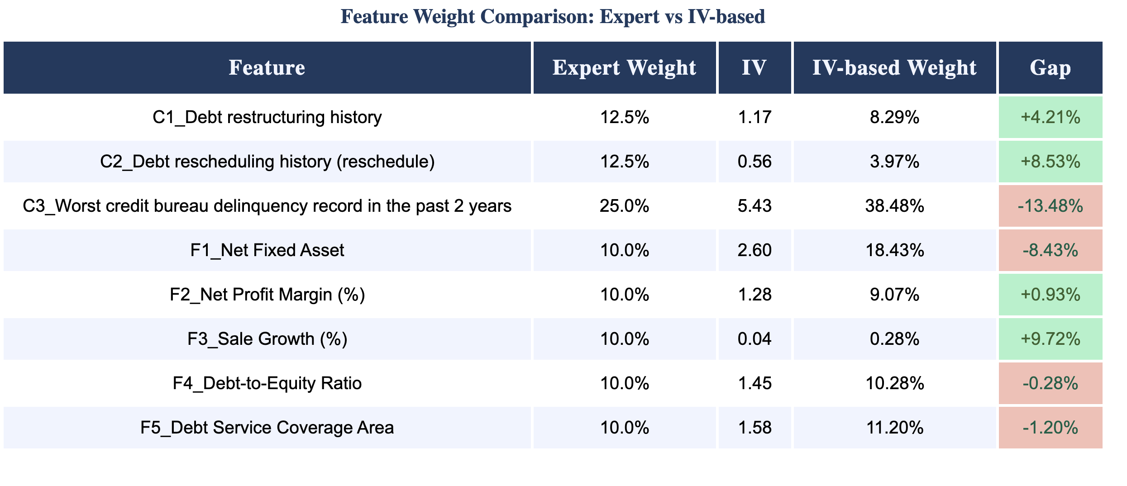

 | Suggestion | C3_Worst credit bureau delinquency record in the past 2 years have been underweighted
 |  | Bin 'Overdue more than 90 days more than 1 year ago' have 100% of default (7 samples) while 'Record found in credit bureau but no delinquency history' only have 5%
 |  | Based on the IV calculation, this shoubd be the strongest predictor and the weight should be closer to 40%

 |  | Similarly, F1_Net Fixed Asset is also a strong predictor. Smaller firms (NFA < 150 M) have higher rate of default (~12%) while bigger firms have lower rate of default (~2%)

 |  | F3_Sale Growths(%) is massively overweighted. Default rates are flat across all bins (7-13%), no monotone relationship, hence this feature should be dropped or minimized.

 |  | C2_Debt rescheduling history is also overweitght. It has less classifying power than C1, and nearly half of data is NA

Question 2
 | Approach 1 | We will assess the rate of default in each bin of each feature to determine if the current linear method scoring in the scorecard is suitable
 |  | Feature | Debt rescheduling history (reschedule) | Only select one option

 |  | Bin | Default Count. | Total Count. | Default Rate % | Expert Scorecard score
 |  | No debt rescheduling history (payment term relief) | 9 | 185 | 4.86 | 0
 |  | Not available | 21 | 282 | 7.45 | 0
 |  | Rescheduled debt with regular payments for 6-12 months | 12 | 27 | 44.44 | -100
 |  | Rescheduled debt with regular payments for less than 6 months | 4 | 30 | 13.33 | -100
 |  | Rescheduled debt with regular payments for more than 12 months | 4 | 33 | 12.12 | -50
 |  | Grand Total | 50 | 557 | 82.2 | -250

 |  | F3 Sale Growths
 |  | Contrary to current scorecard grading, higher sales growth is associated with greater default risk.
 |  | Firms with growth above 30% default at 11.4%, compared to 6.8–6.9% for firms with modest positive growth (0–15%)
 |  | Suggesting that aggressive growth may signal financial distress rather than stability.
 |  | My recommendation is to cap binning the score (grading firms with up to 15% rate with highest score)

 |  | F2 Net Profit Margin %
 |  | The >15% bin defaults at the same rate as loss-making firms, yet receives maximum score.
 |  | The peak bin is moderate profitability (7.5–15%). Recommendation: cap max score at (7.5, 15) bin; reduce score for >15%.

 |  | F4 Debt to Equity Ratio
 |  | The firms in (0, 0.5) bin have 20% of defaults, much higher than those in (0.5-1.5) bin
 |  | This may be indicator of not well leverage cash flow.
 |  | My recommendation is to shift max score to (0.5, 1) and restructure bin score around this empirical spot

 |  | C3_Worst credit bureau delinquency record in the past 2 years
 |  | Credit score not consistent among Credit bureau check not performed, No record found in credit bureau, and Not Available.
 |  | While Credit bureau check not performed get penalised for -100 points, the two other get neutral of 0 point
 |  | However these 3 reasons seem indicate the same thing: incomplete data
 |  | Recommendation: change scores of these 3 pins to ensure consistent treatment

 | Approach 2 | Implement a logistic regression model on the dataset to determine the score of each bin of each feature
 |  | Steps:
 |  | (1) Cleaning data, replace NA with Not Available, merge 9999999 and 9999998 to one bin
 |  | (2) Calculate WoE of each bin
 |  | (3) Replace WoE value to each bin
 |  | (4) Fit to a linear regression model
 |  | (5) Test and validate result on test data
 |  | (6) Use the rate of default to calculate the scoring of each bin

 |  | The methodology of step 4 and 5 will be presented in next parts
 |  | In step 6, we scaling the PD to scoring for interpretable and linear scale
 |  | Convert PD to Log-Odds, this map (0, 1) to (-inf, inf)
$$Log−Odds = ln(\frac{PD}{1−PD})$$

$$Score = Offset + (Factor x Log−Odds)$$
 |  | Scale the score

 |  | We adopt the convention parameters of Base Score = 600, PDO = 20, Base Odds = 50:1
 |  | Factor = PDO/ ln(2) = 28.85
 |  | Offset = Base Score - Factor * ln( Base Odd) = 487.1

 |  | Please refer to ipynb file for detail calculation

Question 3 |  | To determine the key predictor of defaults in a dataset, we must closely inspect the relations of each variable with the default history in order to determine the causal relationship of that variable to default probability.
 |  | Macroeconomic variables usually effect the whole market, and its effect need to be studied in at least a business cycle
 |  | We should perform correlation analysis on the macroeconomic variables against the aggregated portfolio default rate overtime (as a whole market or separate by sector)
 |  | It is also noted that macro effects on default are lagged, hence it is necessary to test for multiple lag period
 |  | Financial details offer predictive power on the firm-level
 |  | The dataset provided only have financial details, and I suggest the following step to EDA this data
 |  | I have performed this procedure, please refer to ipynb file for details

 |  | (1) Data understanding and quality check
 |  | Begin by profiling the dataset to establish a baseline understanding of its structure and integrity.
 |  | This includes examining variable types (categorical vs. numerical), sample size, and class distribution of the target variable.
 |  | Key checks include:
 |  | Missing values: distinguish true nulls from sentinel values (e.g. 99999998, 99999999 indicating invalid calculations or negative equity)
 |  | Distribution & skewness: identify heavily skewed features that may require log transformation or capping
 |  | Concentration check: flag features where one bin contains the majority of customers, as these offer limited discrimination

 |  | (2) Univariate Analysis
 |  | Categorical features: compute default rate per bin to identify high-risk segments (e.g. "Restructured debt < 6 months" defaults at 62.5%)
 |  | Numerical features: boxplots split by Default Flag to visually assess separation between good and bad customers
 |  | Concentration check: flag features where one bin contains the majority of customers, as these offer limited discrimination

 |  | (3) Bivariate Analysis
 |  | Examine relationships between each feature and the target variable, as well as between features themselves:
 |  | Numerical vs. Default — point-biserial correlation and KS statistic to measure separation between good and bad distributions
 |  | Categorical vs. Default — chi-square test to assess statistical significance; features like F2 (Net Profit Margin) and F3 (Sale Growth) return p > 0.05, indicating no significant relationship with defaul
 |  | Multicollinearity — Pearson correlation matrix for numerical features; Cramér's V for categorical pairs to detect redundant features (e.g. C1 and C2 are likely correlated as restructuring and rescheduling tend to co-occur)
 |  | Monotonicity check — plot default rate per bin to confirm scoring direction; non-monotone patterns (as seen in F3 and F4) flag features with unreliable risk ordering

 |  | (4) WoE & IV Analysis
 |  | Calculate Weight of Evidence (WoE) and Information Value (IV) for each feature to quantitatively determine discriminatory power against the default target

Question 4 |  | A logistic model (or logit model) is a statistical model that models the log-odds of an event as a linear combination of one or more independent variables.
 |  | In regression analysis, logistic regression estimates the parameters of a logistic model
 |  | A binary logistic regression can be used to model Probability of Default (PD), with output of 0 and 1
 | Methodology | General formula of Linear Regression
$$f(x) =θ(w^{T}x)$$
$θ$ is an activation function that must satisfy:

$$σ = \frac{1}{1+e^{−s}}$$
 |  | - Continuous, real-valued, and bounded within (0, 1)
 |  | - Points far to the right approach 1, points far to the left approach 0
 |  | - Smooth (differentiable everywhere) to enable optimization
 |  | The most commonly used logistic function is the sigmoid

 |  | Loss Function and Optimization
 |  | Given a data point xᵢ with label yᵢ (0 or 1), the model estimates
 |  | P(yᵢ = 1 | xᵢ; w) = f(wᵀxᵢ) = zᵢ
$$P(yᵢ |xᵢ; w) = z^{yᵢ} {(1−zᵢ)}^{1−yᵢ}$$
 |  | P(yᵢ = 0 | xᵢ; w) = 1 − zᵢ
 |  | These two expressions can be combined into one:

$$P(yᵢ |xᵢ; w) = \prod_{i=1}^{N}{z^{yᵢ} {(1−zᵢ)}^{1−yᵢ}}$$
 |  | The goal is to find w that maximizes the likelihood of observing the training data. This is called Maximum Likelihood Estimation (MLE)
 |  | Assuming data points are independently:

 |  | To avoid numerical issues (product of many small numbers) and simplify optimization, we take the negative log-likelihood as the loss function:
$$J(w) = −\sum_{i=1}^{N}{(yᵢ logzᵢ +(1−yᵢ )log(1−zᵢ)}$$

 |  | This is known as the cross-entropy loss. It measures the "distance" between the predicted probability distribution and the true label distribution. Minimizing it is equivalent to maximizing likelihood.

 |  | Weight update rule (SGD)
 |  | We use simple Stochastic Gradient Descent to update weight
 |  | w=w+η(yi​−zi​)xi​

 |  | Inference
 |  | After finding parameters for the model, we can predict the probability of event based on P(y=1|w)
 |  | Rule of thump is predict class 1 if this probability greater than 0.5
 | Assumption | Binary or Ordinal Dependent Variable
 |  | Logistic regression requires the dependent variable to be binary in nature, taking values of either 0 or 1
 |  | Independence of Observations
 |  | Each observation in the dataset must be independent of one another, meaning that the outcome of one observation should not influence or be related to another.
 |  | Absence of Multicollinearity
 |  | The independent variables should not be highly correlated with each other.
 |  | When two or more variables convey the same information, the model becomes unstable, producing unreliable and inflated coefficients.
 |  | Linearity of Independent Variables with the Log-Odds
 |  | While logistic regression does not assume a linear relationship between the independent variables and the probability of default,
 |  | it does assume that the independent variables are linearly related to the log-odds of the outcome.
 |  | No Extreme Outliers
 |  | Logistic regression is sensitive to extreme outliers in the independent variables, as these observations can disproportionately influence
 |  | the estimated coefficients and distort the decision boundary.
 |  | Sufficiently Large Sample Size
 |  | Logistic regression requires a sufficiently large sample size to produce stable and reliable estimates
 | Proceduce | Steps involved to develop a logistic regression model include:
 |  | (1) Data Preparation
 |  | (2) WoE Encoding. This satisfy the linear assumption, puts all features on comparable scale, and limiting the effect of extreme outlier
 |  | (3) Split data to train/test data. In this case, data should be stratified to ensure the ratio of default in both test and train data.
 |  | For very small samples, k-fold cross-validation is preferred over a single split as it uses all data for both training and validation
 |  | (4) Model training. most programming languages offer library to train logistic regression model
 |  | In this dataset, as common in default dataset, it is imbalanced.
 |  | An unweighted model minimises loss by predicting Non-event for every sample
 |  | Therefore, we need to reweight the loss function
 |  | (5)Validate the model
 |  | (6) Inference

 |  | I have developed a logistic regression model on the dataset, please refer to ipynb file for details

Question 5 |  | Statistical Goodness-of-Fit
 |  | Goodness-of-fit measures assess how well the model's estimated probabilities match the observed default outcomes in the data.
 |  | A model may discriminate well between defaulters and non-defaulters but still produce poorly calibrated probability estimates,
 |  | making goodness-of-fit testing an essential and separate evaluation step
 |  | Hosmer-Lemeshow Test
 |  | The Hosmer-Lemeshow test is the most widely used goodness-of-fit test for logistic regression.
 |  | It works by grouping observations into deciles based on their predicted probability of default, then comparing the observed number of defaults in each group to the number expected under the model.
 |  | The test statistic follows a chi-squared distribution, and a statistically significant result, typically indicated by a p-value.

 |  | Discriminatory Power
 |  | Discriminatory power measures how well the model separates defaulters from non-defaulters

 |  | AUC-ROC (Area Under the Receiver Operating Characteristic Curve)
 |  | The ROC curve plots the True Positive Rate (Recall) against the False Positive Rate at every possible classification threshold
 |  | The area under this curve, known as the AUC, summarizes the model's overall discriminatory ability in a single number
 |  | An AUC of 0.5 represents a model with no discriminatory power equivalent to random guessing, while an AUC of 1.0 represents perfect discrimination.

 |  | Gini Coefficient
 |  | It rescales the AUC to a range of 0 to 1, where 0 represents no discrimination and 1 represents perfect discrimination
 |  | Gini = 2AUC - 1

 |  | Kolmogorov-Smirnov (KS) Statistic
 |  | The KS statistic measures the maximum separation between the cumulative distribution of predicted probabilities for defaulters and non-defaulters.
 |  | It identifies the single threshold at which the model best separates the two populations and is widely used in credit scoring validation.

 |  | Forecasting Accuracy
 |  | Forecasting accuracy measures how accurately the model classifies individual borrowers as defaulters or non-defaulters at a specific decision threshold,
 |  | and how well the predicted probabilities correspond to observed default rates

 |  | Confusion Matrix
 |  | It summarizes the counts of correct and incorrect predictions across both classes
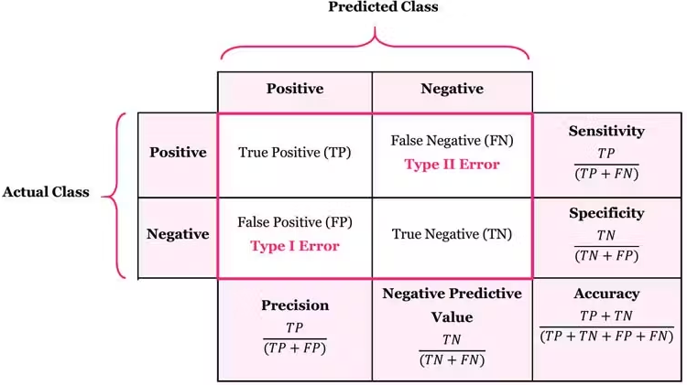

 |  | Sensitivity:Proportion of actual defaults correctly identified. It is the most important metric in default model as missing defaults is costly
 |  | Precision: Proportion of predicted defaults that are real
 |  | Accuracy: Overall correct predictions. In case of imbalance dataset, it can be misleading
 |  | F1 score: is a single metric that combines both Precision and Recall into one number by taking their harmonic mean.
 |  | It provides a balanced measure of a model's performance that accounts for both the ability to correctly identify positive cases and the ability to avoid false alarms simultaneously.
$$F1 = 2x\frac{Precision x Sensitivity}{Precision + Sensitivity}$$

 |  | I have perform valuation on the output of the logistic regression model on the dataset, please refer to ipynb file for details

